Workbook_Purpose_Overview
Headline
Does the question have to be ‘close or not’ at this point? Can it instead be how to balance fiscal discipline, program stability, and community impact—with capacity & quality gates? Large, fast closure waves without consensus or receiving‑school quality can yield negative outcomes; iterative public hearings and clear plan gates can help execution succeed and last. If gates (ADM by band, retention, capacity/quality) are met, perhaps we can stay the course and invest. If gates miss, we can shift to repurpose with transparency and community buy-in.
Context
Though Scottsdale's population has grown slightly over the past 5+ years, overall school capacity has increased at a faster rate (charters; privates; at-home), and SUSD enrollment has declined. The decline has been inconsistent across schools in the district, but the result is a notable overall deficit. The current budget direction is deemed to be unsustainable.
SUSD is considering repurposing / closing Echo Canyon and / or Pima Elementary as a way to 'right-size' and begin to partly address the budget deficit.
The Board’s decision may not need to be a binary “close vs not”, however. An alternative framing would be to think of it in terms of how to balance fiscal discipline, program stability, and community impact under capacity and quality gates.
This model helps to evaluate potential approaches (or levers), it illuminates key assumptions underpinning each approach (including repurpose), and it enables relevant questions to be asked about those assumptions. For example:
(1) Repurpose <Scenarios A1; A2; B1; B2; C1; C2> —
Do we have a plan that can credibly realize fixed M&O savings with a realistic ramp-down?
Which specific schools have the capacity to receive students, and what are the true costs associated with that transition?
Are our assumptions about retention reasonable given that Echo Canyon is a choice school with 50% or more of its families residing outside the district?
Does repurpose / close address the root (or the only root) cause of the budget deficit and trend? If not, is it possible this will continue happening?
If our assumptions on these variables turn out to be too ambitious, by how much do our estimated savings decrease?
(2) Warm hand‑offs <Scenarios D3; D4>—
Can we do a better job of reducing attrition by guiding families from over‑prescribed to under‑capacity sites? Can we estimate how much that can contribute to schools that are at risk, and is that number meaningful enough to make a difference?
(3) Growth <Scenarios D1; D2>—
Is it realistic to imagine earning positive budget contribution where capacity exists (i.e. marginal cost to add a new student is lower) with growth from a credible program (innovation/arts hub)?
Could the innovation (and arts)-focused capability also give us an image uplift, make us more nimble as technology and demographic shifts drive pedagogic and Scottsdale-specific change, and generally future-proof the district for that uncertain future?
Is it practical to consider a focused program for regional capture of displaced students to help turn the keep-open scenarios into budget-neutral or budget-positive options?
In general — as families change schools (via displacement or other) or new families come to the Valley, will SUSD's 3-5 year plan be clear and stable enough to continue to attract them to Scottsdale?
Synthesizing—what the model suggests
Repurpose usually 'wins' on operating net $, as it is assumed that a certain percentage of site‑fixed costs are saved (the Scenario_Comparison tab allows for one to one comparison of scenarios). However, if the community can put forward a growth track that is budget‑positive, builds new district capabilities/brand, and avoids disruptive displacement, it may merit consideration alongside repurpose. Additionally, if the repurpose plan is not clear—or if there is a question as to whether the associated fixed cost ramp-down assumptions can be realized as quickly as expected or whether retention will be as high as expected, repurpose's edge on the budget side also starts to shrink.
Either case may warrant further discussion and due diligence ahead of a decision this consequential.
Starting with the district's recent assumed amounts for aid, cost, and uplift per ADM, and assuming a data-backed estimate of variable cost savings per incremental student for Echo and Pima (given they have capacity), we estimate ~$3,500+ incremental margin contribution to budget per additional student. In reality the incremental variable cost would probably increase in 'steps' as certain physical capacity constraints are hit, but we are assuming for simplicity that there is sufficient space for any reasonable growth scenario we would explore here. Using $3,500 per ADM, an additional 100 K‑8 students ≈ $0.35M/year and 200 ≈ $0.7M. The revenue capacity is why a growth lane can complement fiscal discipline.
Is this a better result, from a budget perspective, than repurpose? Maybe not. But it might be budget-neutral or better—the Budget_Neutral_Calculator tab shows what magnitude of students a non‑repurpose plan needs to not cost money—in which case it may make sense to examine both in light of overall district objectives (and priorities).
In that light, a conditional approach would be to publish explicit targets (annual ADM targets by band, retention thresholds, capacity/quality checks). If targets are met, we can keep the community together and buy time for program investments. If targets are missed, the math and the research support moving to repurpose, with full transparency and community buy‑in.
Precedents remind us that caution makes sense: large‑scale closures without strong receiving‑school availability, quality or consensus have shown mixed or negative effects and governance drag; districts that iterated proposals via public hearings navigated better.
Other important context (recent precedents & lessons)
• Chicago (2013 closures): studies report negative short‑term academic effects and no long‑term positive gains on average; some analyses note math effects persisting for students from closed schools, with better outcomes only when receiving schools were substantially higher‑performing. Lesson: overshoot/disruption has real costs.
• Denver (2024–25): after a 2024 closure vote, the board paused further closures until 2030 amid community/legal pushback and governance churn. Lesson: force without consensus begets drag; iterate policy with stakeholders.
• Kyrene (2025): district scheduled multiple public hearings on consolidation/boundaries and revised proposals after feedback. Lesson: iterate, publish, adjust before the final vote.
• Innovation hub option (analogy): Campbell School of Innovation (Campbell Union SD, CA) launched a district‑run innovation hub focused on design thinking, grew enrollment, and exported practices across the district. Lesson: a credible hub can strengthen brand and pull.
Decision criteria to consider
• Operating: Δ vs Base (FY2030; Avg FY26–30) and marginal contribution sanity check.
• Capital: FY26 one‑time affordability.
• People: FY26 displaced and support plan; FY30 served.
• Capacity & quality: no receiving site over capacity; receiving schools meet program‑quality thresholds
Key data-gathering iniatives
We tried to use real data or reasonable data-backed assumptions where possible. However, any growth target is hypothetical, and additional audited or research-backed figures can increase data confidence. For example:
1. Validate Enrollment Projections: Commission a formal market and feasibility study to assess the realism of the growth targets in the "Invest to Grow" scenarios.
2. Conduct a System-Wide Capacity Analysis: Aim to move beyond the placeholder numbers and, if not already done, perform a school-by-school audit of available classroom space at potential receiving schools to determine the logistical feasibility and true cost of consolidation.
3. Refine Site-Level Costs: The finance department may be able to populate the Site_Fixed tab with actual FY25 fixed M&O expenditures for Echo Canyon and Pima. This will replace an assumed cost proxy with hard data.
Sources
AZ base‑level amount (BLA) FY2025 = $5,013.33; equalization base structure (BSL + TSL + DAA). Arizona Legislature
FY2025 updates (AZED): BLA + TSL growth. Arizona Department of Education
AZ Auditor General spending profile reference (for plant ops/admin shares; SUSD context page). Auditor General+1
Closures & outcomes (mixed; implementation matters), UChicago Consortium. consortium.uchicago.edu+1
Savings often smaller than projected (Philadelphia example; broader review). National Education Policy Center
Regional context: Kyrene hearings; DPS pauses further closures to 2030. kyrene.org+1
Headline
Large, fast closure waves without consensus or receiving‑school capacity / quality can yield negative outcomes; iterative public hearings and clear plan gates can help execution succeed and last. Does the question have to be ‘close or not’ at this point? Can it instead be how to balance fiscal discipline, program stability, and community impact—with capacity & quality gates? If gates (ADM by band, retention, capacity/quality) are met, perhaps we can stay the course and invest. If gates miss, we can shift to repurpose with transparency and community buy-in.
Refer to these as known gaps in the model (but suggest we are making what we think are reasonable assumptions instead / ahead of having the correct data)...
Financial Invalidity: The model's "savings" calculations are not based on the actual site-level fixed costs of Echo Canyon and Pima. The Site_Fixed tab , which should contain these audited ledgers, is empty. Consequently, all "Repurpose" savings are derived from a district-wide proxy calculation , making the financial case for closure entirely hypothetical.
Critical Flaw 2 (Logistical Invalidity): The Receiving_Capacity tab contains a data-entry error that breaks the model's "capacity gate" mechanism. As a result, the model is blind to a massive, multi-million dollar capital shortfall for portable classrooms at receiving schools. This error makes the "Repurpose" scenarios appear artificially inexpensive and logistically feasible.
--emphasize the point that maybe we just need to be budget-neutral or positive... we don't necessarily need to beat repurpose
--get rid of control center tab
--

Scenario_Comparison
Echo & Pima — Go-forward scenario comparison view

Scenarios (CHOOSE) | Description |  | Assumed enrollment change (over 3 yrs)
A2_Repurpose_Both_lease | Repurpose both Echo & Pima; lease both properties; fixed cost reduction rate, retention %, and transition cost assumptions are key drivers |  |  | -147
E1_StatusQuo_Decline | Echo & Pima open; no operational or strategic growth actions; enrollment decline trend continues |  |  | -43

Operating Net ($) — Base vs Comparator
One-time Capital $ FY26 — Base vs. Comparator
Average Net Ops $ per year (FY26-30) — Base vs. Comparator

Notes: Assumptions reflect: r (retention assumptions), override, marginal factor (e.g. assumed reduced variable cost to add new students), trend flags; h (receiving schools transportation route adjustment premium) tapers yearly. Receiving site should not exceed spare seats + portables

Year | Operating Net$ (Base) | Operating Net$ (Comparator)
FY2026 | $840,656 | -$459,335
FY2027 | $952,978 | -$522,913
FY2028 | $1,223,701 | -$588,316
FY2029 | $1,462,524 | -$655,589
FY2030 | $1,585,320 | -$724,780

Assumptions (from Parameters_Public / Control_Center)
Retention r (Echo central) | 0.6
Retention r (Pima central) | 0.85
MarginalFactor_for_Overlay | 0.6
Override % | 0.15
Override toggle (0/1) | 1
Keep-open ops savings (fraction of MO) | 0.007
Extra savings for co-location (fraction of MO) | 0.015
• Routing/admin overhead h tapers by year (see YearMap). Try ±20% sensitivity when routing assumptions are uncertain.

 |  | Interpretation
One-time Capital FY 2026 (Base) | $2,314,480 | E1_StatusQuo_Decline will be $2,314,480 LESS COSTLY than A2_Repurpose_Both_lease in terms of capital investment required
One-time Capital FY 2026 (Comparator) | -

Avg Net (FY26–30) (Base)—rounded | $1,210,000 | On average from 2026 through 2030, E1_StatusQuo_Decline will be $1,700,000 MORE COSTLY to operate annually than A2_Repurpose_Both_lease
Avg Net (FY26–30) (Comparator)—rounded | -$490,000
Δ vs Base (Avg FY26–30)—rounded | -$1,700,000

FY2030 Net (Base)—rounded | $1,590,000 | By 2030, E1_StatusQuo_Decline will be $2,310,000 MORE COSTLY to operate annually than A2_Repurpose_Both_lease
FY2030 Net (Comparator)—rounded | -$720,000
Δ vs Base (FY2030)—rounded | -$2,310,000

Students displaced (FY26) (Base) | 553 | E1_StatusQuo_Decline will displace 553 FEWER STUDENTS than A2_Repurpose_Both_lease
Students displaced (FY26) (Comparator) | 0

Students served (FY2030) (Base) | 406 | E1_StatusQuo_Decline will serve 104 MORE STUDENTS than A2_Repurpose_Both_lease
Students served (FY2030) (Comparator) | 510

What_Is_The_$900K_Savings
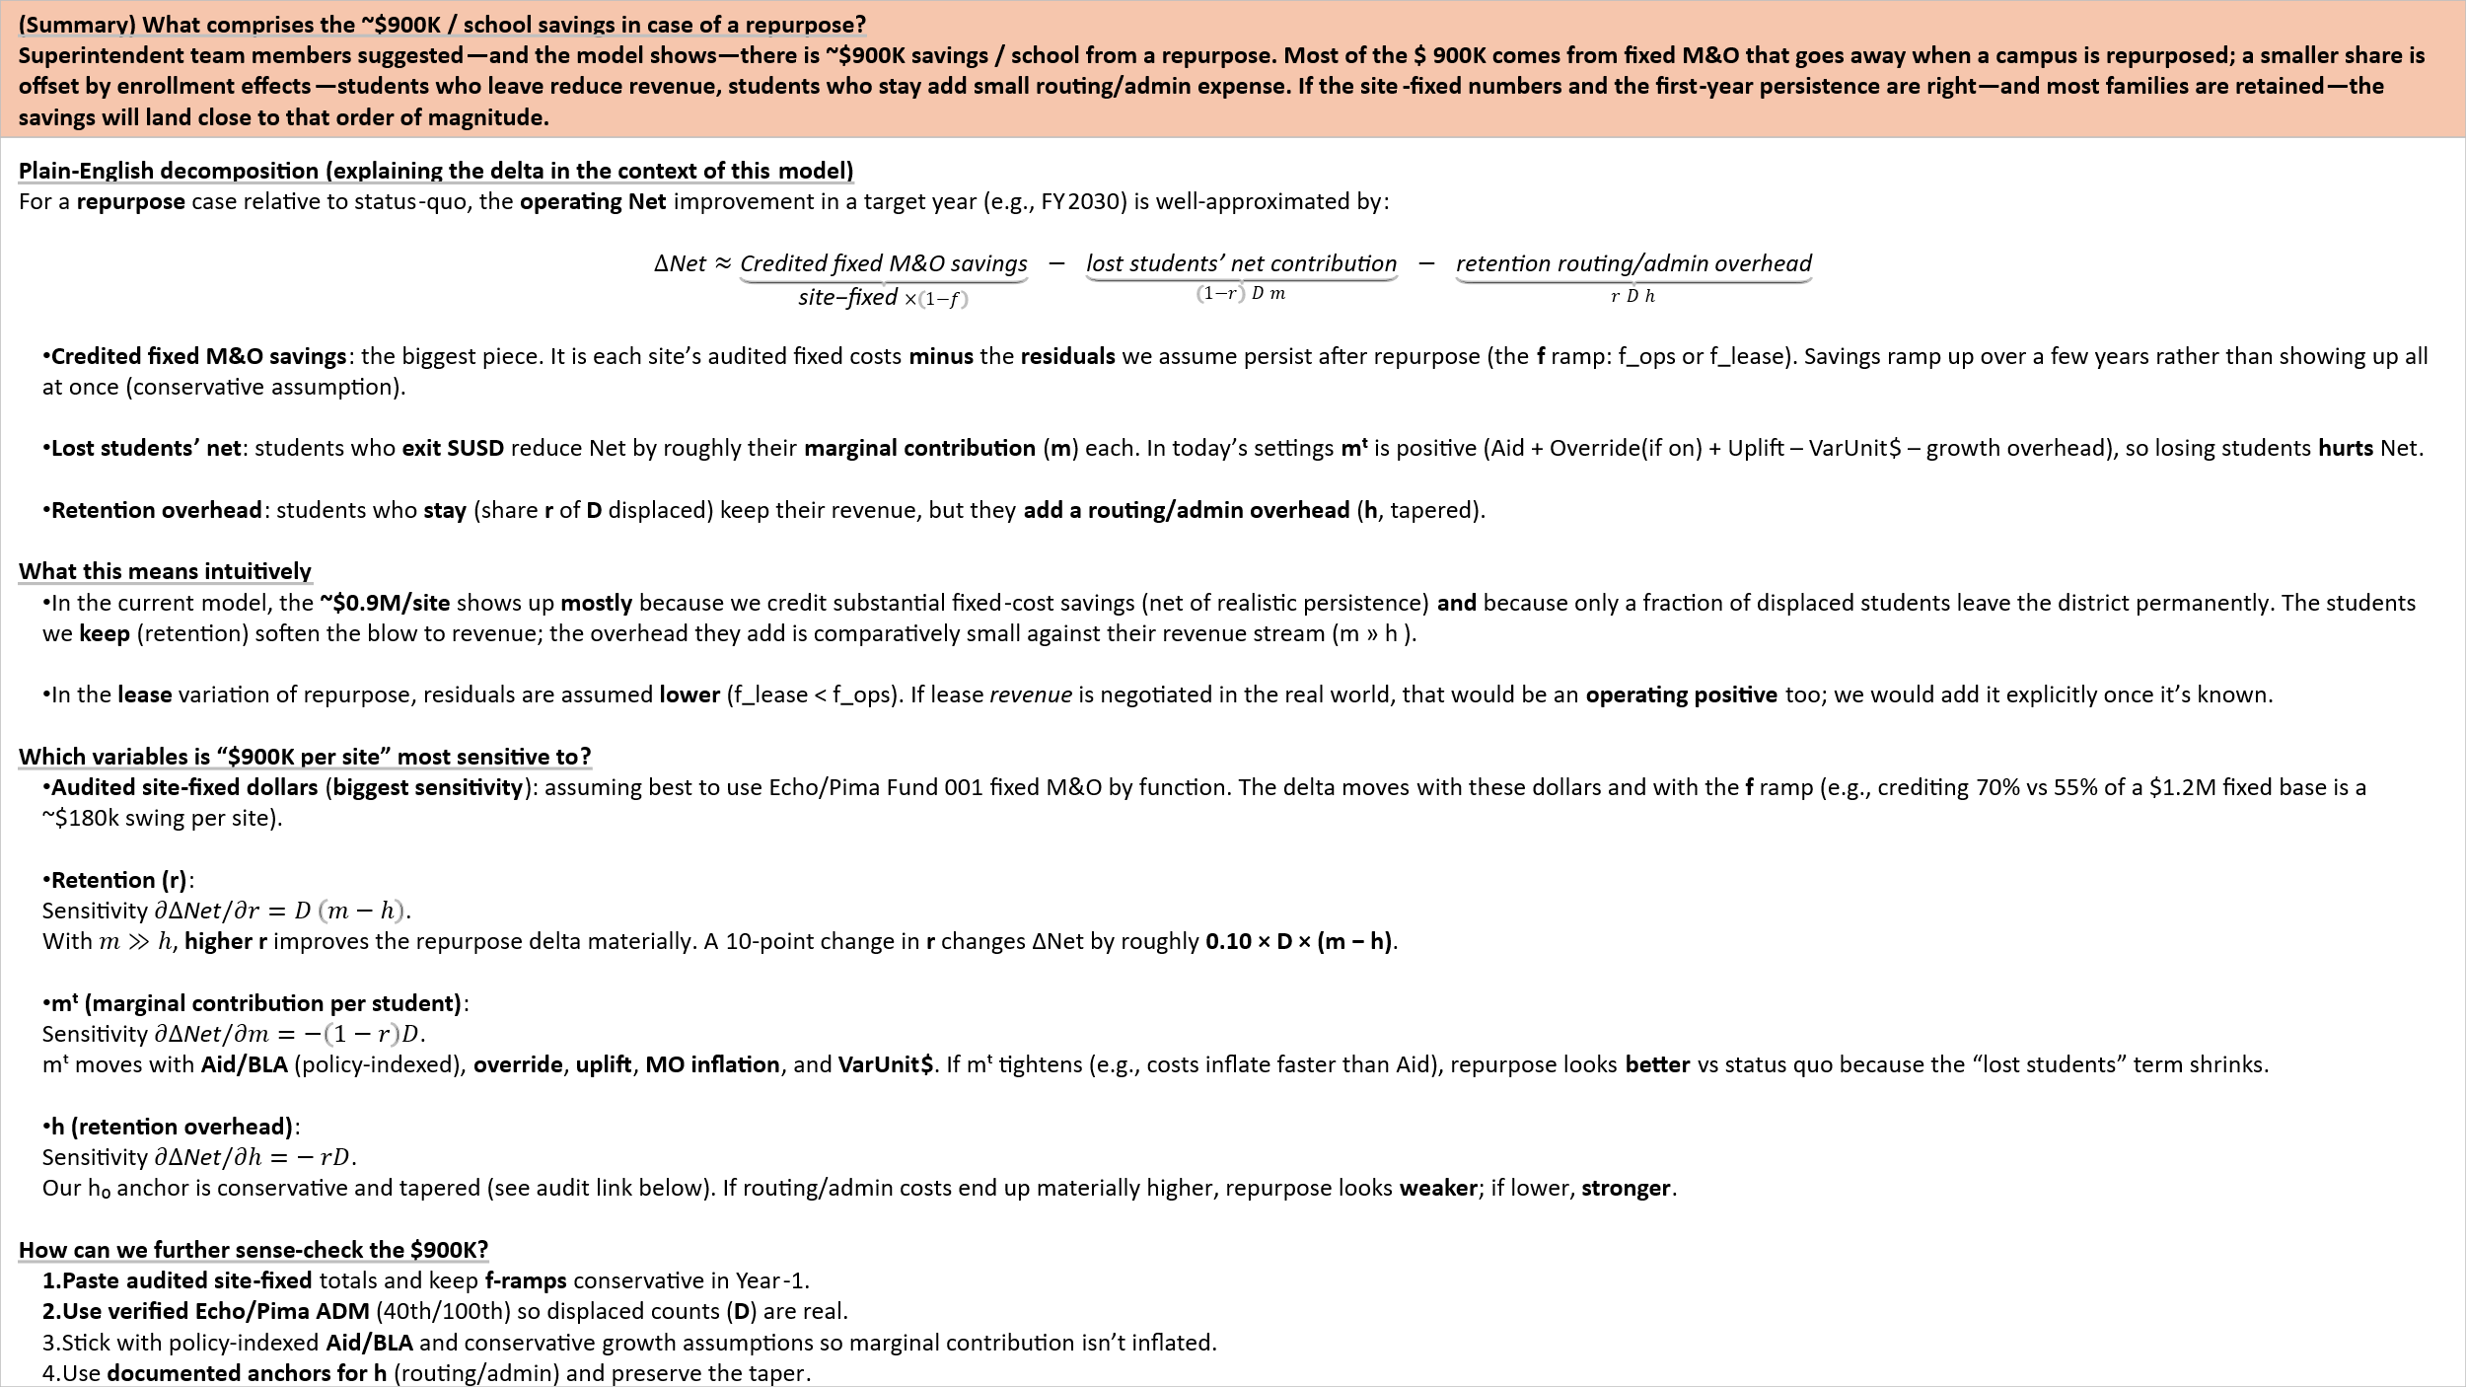

Summary_Figures
 | Choose base scenario (for comparison): | E1_StatusQuo_Decline |  |  |  |  |  |  |  |  | Chart titles
Net = (M&O operating) − (Aid + Override + Uplift). Capital is excluded. Uplift is indexed to Aid growth. |  |  |  |  |  |  |  |  |  |  | (Comparison) Change in ops net $ by scenario compared to E1_StatusQuo_Decline (Positive = savings)
Students: Displaced = FY2026; Served = FY2030 (open + retained). |  |  |  |  |  |  |  |  |  |  | (Nominal) One-time capital (FY26) & Average 5-yr net ops $ by scenario
Scenario key | Scenario | One-time Capital (FY26) | Net FY26 Operational $ | Net FY28 Operational $ | Net FY30 Operational $ | AVG 5-yr net operational $ | Displaced students | Served students FY30 | Δ vs Base (FY2030 Net) | Δ vs Base (5-yr Avg Net)
F1 | F1_CUSTOM1 | - | -$459,335 | -$482,589 | -$507,020 | -$482,883 | 0 | 553 | $217,760 | $107,303
E3 | E3_StatusQuo_Targets | - | - | - | - | - | 0 | 0 | $724,780 | $590,187
D3 | D3_CoLocation_Echo_Targets | - | $412,100 | $389,098 | $412,100 | $288,107 | 0 | 603 | $1,136,880 | $878,294
D1 | D1_Grow_Both_Targets | -$2,000,000 | $1,170,322 | $1,104,496 | $1,170,322 | $801,485 | 0 | 703 | $1,895,102 | $1,391,672
E2 | E2_StatusQuo_Steady | - | -$507,020 | -$482,589 | -$507,020 | -$482,883 | 0 | 553 | $217,760 | $107,303
D2 | D2_EchoGHubRamp_PimaTargets | -$800,000 | $890,765 | $839,982 | $890,765 | $587,424 | 0 | 678 | $1,615,545 | $1,177,611
A2 | A2_Repurpose_Both_lease | -$2,314,480 | $1,585,320 | $1,223,701 | $1,585,320 | $1,213,036 | 553 | 406 | $2,310,100 | $1,803,223
A1 | A1_Repurpose_Both_ops | -$3,114,480 | $922,909 | $593,209 | $922,909 | $552,154 | 553 | 406 | $1,647,689 | $1,142,340
B2 | B2_Repurpose_Echo_lease_PimaTargets | -$800,000 | $302,948 | $166,608 | $302,948 | $162,770 | 257 | 450 | $1,027,728 | $752,956
B1 | B1_Repurpose_Echo_ops_PimaTargets | -$1,200,000 | $408,845 | $265,076 | $408,845 | $172,443 | 257 | 487 | $1,133,625 | $762,630
C2 | C2_Repurpose_Pima_lease_EchoGHub_EchoTargets | -$1,600,000 | $775,352 | $574,504 | $775,352 | $567,383 | 296 | 509 | $1,500,132 | $1,157,570
C1 | C1_Repurpose_Pima_ops_EchoGHub_EchoTargets | -$2,000,000 | $979,902 | $766,054 | $979,902 | $641,759 | 296 | 559 | $1,704,682 | $1,231,945
E1 | E1_StatusQuo_Decline | - | -$724,780 | -$588,316 | -$724,780 | -$590,187 | 0 | 510 | - | -

 | Note: Displaced = FY26; Served = FY30. Net = M&O − (Aid + Override + Uplift); showing one-time capital (fy26) as negative number for visualization purposes
(Nominal) One-time capital (FY26) & Average 5-yr net ops $ by scenario
(Comparison) Change in ops net $ by scenario compared to E1_StatusQuo_Decline (Positive = savings)

